Cover
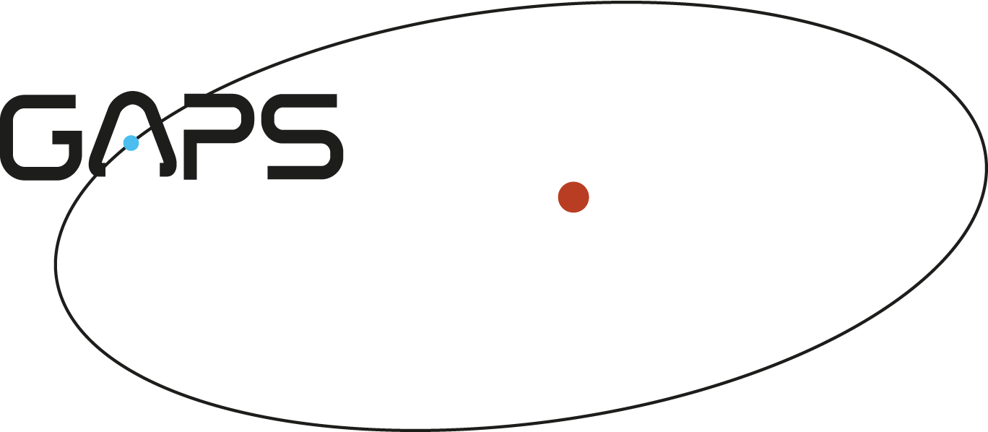

 |  |  | 22/11/2016 | GAPS PEOPLE | V27

 | History
V0.2 | 13/02/2013 | Modified the people of the WP 2000 following the new organization of the WP. Added also LDF. Erased Isaias Rochas. Added a column with he initials of each member
v.03 | 26/02/2013 | Extracted name and surname. Separated membership to Board or Science Team in new columns.
v.04 | 23/03/2013 | Added FFA, GAN, and PMO
v.05 | 06/06/2013 | Added BST, FDA, SMA
v.06 | 04/07/2013 | Changed address of DGA
v.07 | 07/10/2013 | Added IPI, MPE, JMA
v.08 | 17/10/2013 | Added RSZ
v.09 | 24/10/2013 | minor changes
V.10 | 04/02/2015 | Added RFA, EGA
v.11 | 01/05/2015 | Eliminati Alcala, Carolo, Barbieri; Cambiato in external Pillitteri; aggiornata la affiliazione di Brown; aggornata affiliazione di Davide Galdolfi
v.12 | 06/05/2015 | update adresses
v.13 | 25/01/2016 | update Esposito address
v.14 | 24/10/2016 | Added DSi, ICa
v.15 | 02/11/2016 | Added LAf e SMA to Science Team; added ECo, EPo, AMa, EMo, RSm to Board
v.16 | 22/11/2016 | aggiornata affiliazione Masiero, eliminato Cunial
v.17 | 04/02/2017 | Passaggio Luigi Mancini da External a member (cambiato il suo indirizzo email e l'affiliazione); passaggio Rim Fares da member a External; aggiunti VSi, Aga, EPa, CCP, VDO, LPi, EA, OBV, TZ, ABa, ACi, MD, DBa, ERa, DLo, FDG, LFo (External), modificato indirizzo mail di DGa, added JAl
v.18 | 20/02/2017 | Passaggio di Pillitteri a member, aggiunta colonna per conta PhD e ex-PhD, conteggio S e non staff
v.19 | 05/05/2017 | Passaggio di Faedi a member
v.20 | 18/05/2017 | Added MM, RCA, SCA, GDC, LDP; changed address MDM; deleted Fares e Stelzer
v.21 | 20/09/2017 | Aggiornata lista Science Team: aggiunti SBe, KBi, ABi, ABo, FBo, ICa, MDa, MEs, PGi, EGA, AHa, GLe, LM, JMa, LMa, VNa, MRa, GSc; eliminata Cbo. Aggiunto Aresu (GAr)
v.22 | 20/10/2017 | Added GGu, VAn
v.23 | 15/01/2018 | Agiornata affiliazione Monica Rainer con cambio email
v.24 | 26/01/2018 | Eliminato Luigi Bedin
v.25 | 11/04/2018 | Aggiornati tutti gli indirizzi email INAF con forma: nome.cognome AT inaf.it
v.26 | 04/06/2018 | Aggiunto Matteo Brogi e Lorenzo Cabona a Members
v.27 | 2018-11-29 | Aggiornato con inserimento Calderone, Bruno, Frustagli, Ligi, Sasso, Suarez Mascareno, Quinn

