COVER
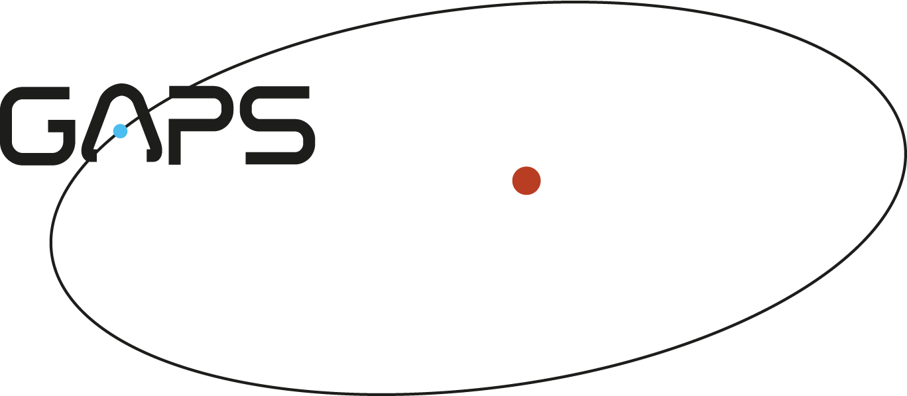

TITLE |  | AOT028 DECEMBER SCHEDULE

21-Dec-2013 | V1.0 | WRITTEN

