COVER
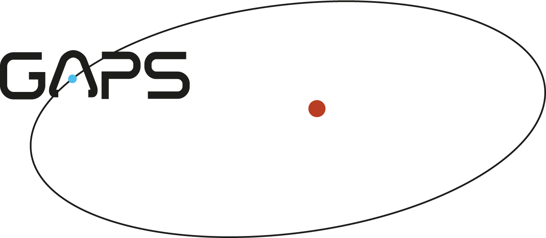

TITLE |  | AOT027 APRIL SCHEDULE

18-Apr-2013 | V1.0 | WRITTEN

